Problem 3
Problem 3 (5 points total)
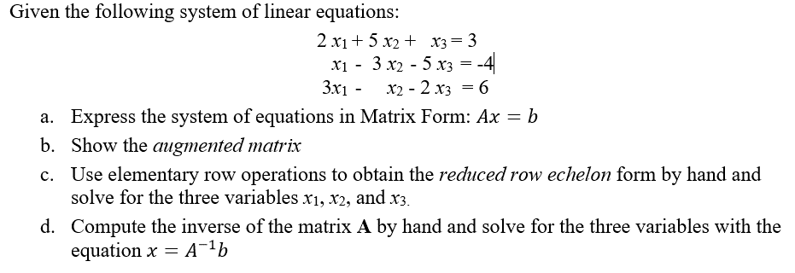

Find
a) Express the system of equations in Matrix Form: Ax=b in the boxes below.

 | 2 | 5 | 1 | x1 |  | 3
 | 1 | -3 | -5 | x2 | = | -4
 | 1 | -1 | -2 | x3 |  | 6

b) Show the augmented matrix in the box below.

 | 2 | 5 | 1 | 3
M = | 1 | -3 | -5 | -4
 | 1 | -1 | -2 | 6

c) Use elementary row operations to obtain the Gauss-Jordan or reduced row echelon form
(RREF) "by hand" (in this spreadsheet) and solve for the three variables x1, x2, and x3.
In column H, show the operation you are performing on each row. For example, "R2/11" or
"-2*R1 + R2" or "-3*R1 + R3"
Show your work in the boxes below. Use an equation in each cell to find your answer.
Don't just type the answer in the cell.
 |  |  |  |  | Operations being performed:
 | 1 | -1.5 | 0.5 | 1.5 | R1 = R1/2
 | 1 | -3 | -5 | -4
 | 1 | -1 | -2 | 6

 | 1 | -1.5000 | 0.5000 | 1.5000
 | 0 | -1.5 | -5.5 | -5.5 | R2 = R2 – R1
 | 0 | 0.5 | -2.5 | 4.5 | R3 = R3 – R1

 | 1 | 0.0000 | 6.0000 | 7.0000 | R1 = R1 – R2
 | 0 | 1.0000 | 3.6667 | -3.6667 | R2 = R2 * -2/3
 | 0 | 0.0000 | -4.3333 | 2.6667 | R3 = R3 + 1/3*R2

 | 1 | 0.0000 | 6.0000 | 7.0000
 | 0 | 1.0000 | 3.6667 | -3.6667
 | 0 | 0.0000 | 1.0000 | 0.6154 | R3 = -R3/4.3333

 | 1 | 0 | -4.6154201184E-05 | 3.3076639051 | R1 = R1 –6*R3
 | 0 | 1 | -6.1538934915E-05 | -5.9231147932 | R2 = R2 – 3.6667*R3
 | 0 | 0.0000 | 1.0000 | 0.6154

Add more rows if needed to complete the RREF
Solution:
 | x1 = | x2 = | x3 =
 | 3.3076639051 | -5.9231147932 | 0.6154

d) Compute the inverse of the matrix A "by hand" (in this spreadsheet) and solve for the
three variables with the equation x=A-1 b
Show your work in the boxes below. Use an equation in each cell to find your answer.
Don't just type the answer in the cell.

Rewrite |  |  |  | x1
Ax = b |  |  |  | x2 | =
 |  |  |  | x3

Inverse Matrix: |  | A-1 = | adj (A)/det(A)
Using any row or column,
det(A) = | a11C11 + a12C12 + a13C13 |  |  | (first row for example)

Calculate cofactors:
c11 |  | c12 |  | c13
c21 |  | c22 |  | c23
c31 |  | c32 |  | c33

det(A) =

Adj(A) =

A^-1 =

c) | Find x1, x2, x3

x=A-1 b | x1 =
 | x2 =
 | x3 =

Problem 4
Problem 4 (5 points total)
Given:
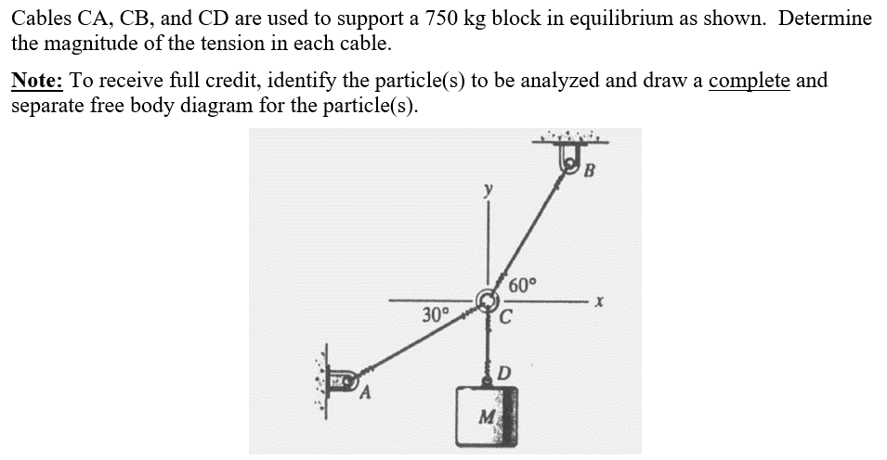

Use these inputs for your calculations below.
mass | 750 | kg
weight | 7357.5 | N
Angle BC | 60 | deg
Angle AC | 210 | deg

Find:
FBD of Block D: |  |  |  | FBD of Ring C:
Sketch FDB with Excel drawing tools or draw by hand on paper then scan and insert pictures here.
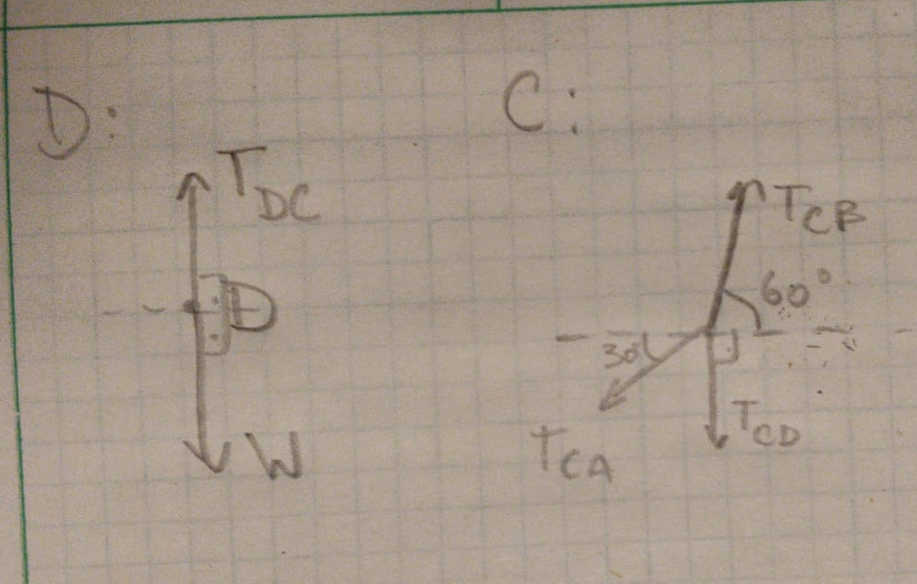

Equilibrium eqns for Block D - Type out equations using variables:
åF = Tdc + W = 0
åFx = 0
åFy = |Tdc|*sin(90deg) + |W|*sin(270deg) = 0

Use substitution solve for unknown force(s). Type out equations using variables.

|Tdc + W| = |Tdc|*sin(90deg) + |W|*sin(270deg) = 0
|Tdc|*1 + |W|*-1 = 0
|Tdc| = | 7357.5

Equilibrium eqns for Ring C - Type out equations using variables:
åF = Tca Tcb Tcd = 0
åFx = |Tca|*cos(210deg) + |Tcb|*cos(60deg) + |Tcd|*cos(270deg) = 0
åFy = |Tca|*sin(210deg) + |Tcb|*sin(60deg) + |Tcd|*sin(270deg) = 0

Use substitution solve for unknown force(s). Type out equations using variables.

NOTE: |Tdc| = |Tcd| = | 7357.5
 | cos(Abc) = | 0.5
 | sin(Abc) = | 0.86602540378
 | cos(Aac) = | -0.86602540378
 | sin(Aac) = | -0.5
|Tca|*cos(210deg) + |Tcb|*cos(60deg) + |Tcd|*cos(270deg) = 0 |  |  |  | |Tca| = -(|Tcb|*cos(60deg) + |Tcd|*cos(270deg))/cos(210deg)
|Tca|*sin(210deg) + |Tcb|*sin(60deg) + |Tcd|*sin(270deg) = 0 |  |  | ===> | -(|Tcb|*cos(60deg) +|Tcd|*cos(270deg))/cos(210deg)*sin(210deg) + |Tcb|*sin(60deg) + |Tcd|*sin(270deg) = 0
 |  |  |  | <=> | -(|Tcb|*cos(60deg) * sin(210deg) + |Tcd|*cos(270deg) * sin(210deg) )/cos(210deg) + (|Tcb|*sin(60deg)*cos(210deg) + |Tcd|*sin(270deg)*cos(210deg))/cos(210deg) = 0
 |  |  |  | <=> | |Tcb|*sin(60deg)*cos(210deg) -|Tcb|*cos(60deg) * sin(210deg) = |Tcd|*cos(270deg) * sin(210deg) - |Tcd|*sin(270deg)*cos(210deg)
 |  |  |  | <=> | |Tcb|(sin(60deg)*cos(210deg) - cos(60deg) * sin(210deg)) = |Tcd|*cos(270deg) * sin(210deg) - |Tcd|*sin(270deg)*cos(210deg)
 |  |  |  | <=> | |Tcb| = (|Tcd|*cos(270deg) * sin(210deg) - |Tcd|*sin(270deg)*cos(210deg))/(sin(60deg)*cos(210deg) - cos(60deg) * sin(210deg))
Tcb = | 12743.563817
Tac = | 7357.5

Based on above equations input the calculations for your solutions below. Don't forget the units.
Description | Calculation | Units
Tension, FCD = | 7357.5 | N
Tension, FAC = | 7357.5 | N
Tension, FBC = | 12743.563817 | N

Check solutions for FAC and FBC with MatLab

M = | cos(210deg) | cos(60deg) | -cos(270deg)*|Tcd|
 | sin(210deg) | sin(60deg) | -sin(270deg)*|Tcd|

Description | From MatLab | Units
Tension, FAC = | 7357.5 | N
Tension, FBC = | 1000 | N

Problem 5
Problem 5 (5 points total)
Given:
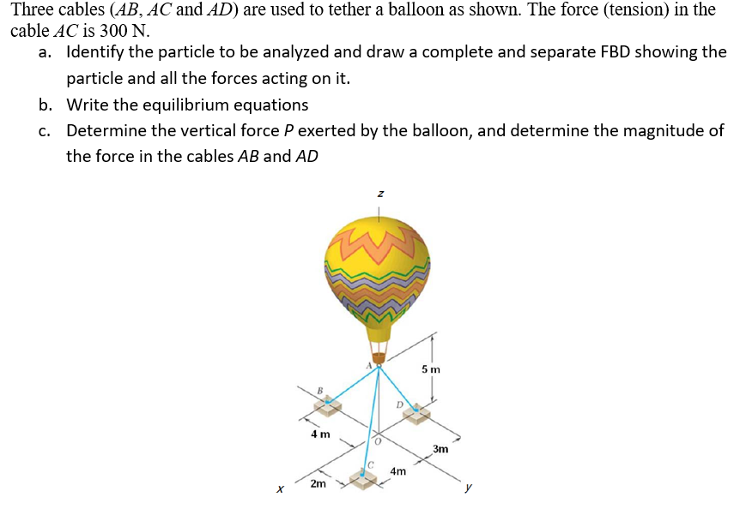

Use these inputs for your calculations below.
Tension in cable AC, TAC | 300 | N

Find:
a) Identify the particle to be analyzed and draw a complete and separate FBD showing the particle and all the
forces acting on it.
Sketch FDB with Excel drawing tools or draw by hand on paper then scan and insert pictures here.

Input positions from the drawing:
 | i | j | k | Units
A |  |  |  | m
B |  |  |  | m
C |  |  |  | m
D |  |  |  | m

b) Write the equilibrium equations and any other equations and the results
Use this area to calculate your position and unit vectors and to perform any
intermediate calculations required to write your Equilibrium Equations.
Description | Calculation
Calculate Position Vectors: | i | j | k
rAB
mag rAB

rAC
mag rAC

rAD
mag rAD

Recall
 | i | j | k
TAB = TAB*eAB = TAB*
TAC = TAC*eAC = TAC*
TAD = TAD*eAD = TAD*
P = P*k

Type out equations using variables:
åF =
åFx =
åFy =
åFz =

c) Determine the vertical force P exerted by the balloon, and determine the magnitude of the force in the
cables AB and AD
 | TAB | TAD | P | Constant

M =

Magnitudes From MatLab |  | Units
TAB |  | N
TAD |  | N
P |  | N

Problem 6
Problem 6 (5 points total)
Given:
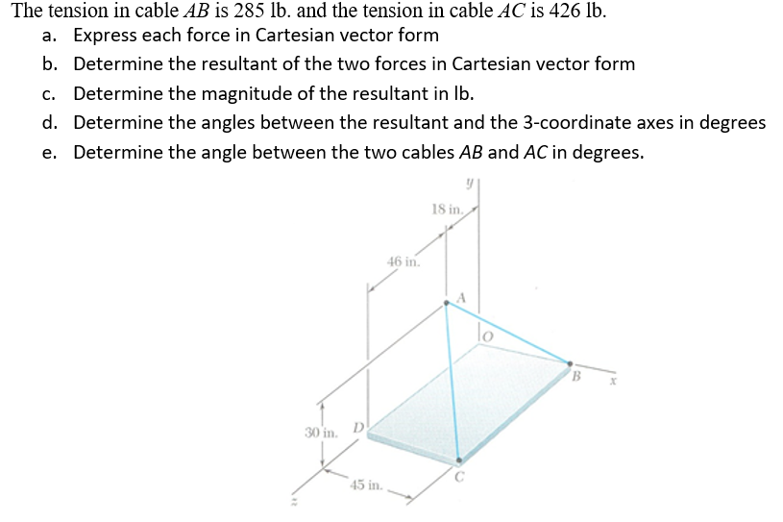

Use these inputs for your calculations below.
Tension in cable AB, TAB | 285 | lb
Tension in cable AC, TAC | 426 | lb

Find:
Input positions from the drawing:
 | i | j | k | Units
A | 0 | 30 | 18 | in
B | 45 | 0 | 0 | in
C | 45 | 0 | 64 | in

a) Express each force in Cartesian vector form
Use this area to calculate your position and unit vectors and to perform any
intermediate calculations required.
Description | Calculation
Calculate Position Vectors: | i | i | k
rAB | 45 | -30 | -18 | <in>
mag rAB | 57.0000 | in

rAC | 45 | -30 | 46 | <in>
mag rAC | 71.0000 | in

Recall

TAB = TAB*eAB = | 225 | i + | -150 | j + | -90 | k <lb>
TAC = TAC*eAC = | 270 | i + | -180 | j + | 276 | k <lb>

b) Determine the resultant of the two forces in Cartesian vector form
FR = TAB + TAC = | 495 | i + | -330 | j + | 186 | k <lb>

c) Determine the magnitude of the resultant in lb.
FR = | 623.31452735 | lb

d) Determine the angles between the resultant and the 3-coordinate axes in degrees
Type out the equations you will use. Use variables for the equations.

Fx = F x i = F cos(theta X) <=> |Fx i| = |Fcos(theta X)| <=> cos(thetaX) = |Fx|/|F| => thetaX = acos(|Fx|/|F|)

qx = | 37.42574677 | degrees
qy = | 121.96679751 | degrees
qz = | 72.6382 | degrees

e) Determine the angle between the two cables AB and AC in degrees.
Type out the equation you will use. Use variables for the equations. Show intermediate work.

From a.b = |a|*|b|*cos(theta): |  | cos(theta) = a.b/(|a|*|b|) |  |  | Theta = acos(a.b/(|a||b|)

q = | 58.790984063 | degrees

